RAFTERS || proj_6
RAFTER | Length(m) | Station (m) | SEC | Load cases (MAX) | NORMAL(ton) | SHEAR (ton) | MOMENT (t.m) | LBx (m) | Lby (m) | Lb (m) | sections
 |  |  |  |  |  |  |  |  |  |  | tw (cm) | hw (cm) | tf (cm) | bf (cm) | 24.03
H4 | 4 | 4 | 1 | 1.2D+1.6Lr+0.8Wy- | 16.152 | -0.8786 | 7.60801 | 12.015 | 4 | 4 | 0.8 | 80 | 2 | 40
H14 | 4 |  | 1 | 0.9D+1.3Wy+ | 4.5991 | -7.5065 | 75.4703 |  |  | 4 | 0.8 | 80 | 2 | 40
H15 | 4 |  | 1 | 1.2D+1.6Lr+0.5LL | -3.3286 | 14.1622 | -71.45709 |  |  | 4 | 0.8 | 80 | 2 | 40
RAFTER3 | 16.02 | 16.02 | 4 | 0.9D+1.3Wx+ | 17.9915 | 1.6226 | 13.04942 | 12.015 | 4 | 4 | 0.8 | 60 | 2 | 30
RAFTER17 | 16.02 | 0 | 1 | 1.2D+1.3Wy++0.5LL | 4.4452 | -16.507 | -44.38 |  | 4 | 4 | 0.8 | 60 | 2 | 30
RAFTER18 | 16.02 | 4 | 1 | 1.2D+1.3Wy-+0.5LL | -2.3242 | 16.5102 | -19.38703 |  | 4 | 4 |  |  |  | 30
HUNCH-R4 | 4 | 2 | 1 | 0.9D+1.3Wy+ | 7.1234 | 1.4848 | 2.5412 | 12.015 | 4 | 4 | 0.8 | 80 | 2 | 40
HUNCH-R9 | 4 | 4 | 1 | 1.2D+1.3Wy-+0.5LL | -2.7795 | 15.8228 | 45.81231 |  | 4 | 4 | 0.8 | 80 | 2 | 40
 | 4 | 0 | 1 | 1.2D+1.3Wy-+0.5LL | -3.94 | 12.46 | 83.36 |  | 4 | 4 | 0.8 | 80 | 2 | 40
HUNCH-L2 | 4 | 4 | 1 | 0.9D+1.3Wx+ | 17.8333 | 6.6879 | 33.33955 | 12.015 | 4 | 4 | 0.8 | 80 | 2 | 40
HUNCH-L9 | 4 | 4 | 1 | 1.2D+1.3Wy++0.5LL | 3.6003 | 18.3711 | 52.05789 |  | 4 | 4 | 0.8 | 80 | 2 | 40
 | 4 | 0 | 1 | 1.2D+1.3Wy++0.5LL | 3.4709 | 17.62 | -113.8 |  | 4 | 4 | 0.8 | 80 | 2 | 40
M-B-MEZ-2 | 8 | 8 | 4 | 1.2D+1.3Wy-+0.5LL | 17.8775 | 25.1112 | -96.47068 | 8 | 2 | 0 | 0.8 | 80 | 2 | 30
M-B-MEZ-2 | 8 | 8 | 4 | 0.9D+1.3Wx+ | -31.1877 | -4.2514 | 98.85329 | 8 | 2 | 0 | 0.8 | 80 | 2 | 30
GIRD-BEM2 | 12 | 6 | 2 | 1.2D+1.6Lr+0.5LL | 6.3505 | -12.134 | 62.61735 | 12 | 6 | 6 | 0.8 | 80 | 2 | 30

RAFTER-17
H4,14
HUNCH-R9
H15
RAFTER-14,18
HUNCH-R9
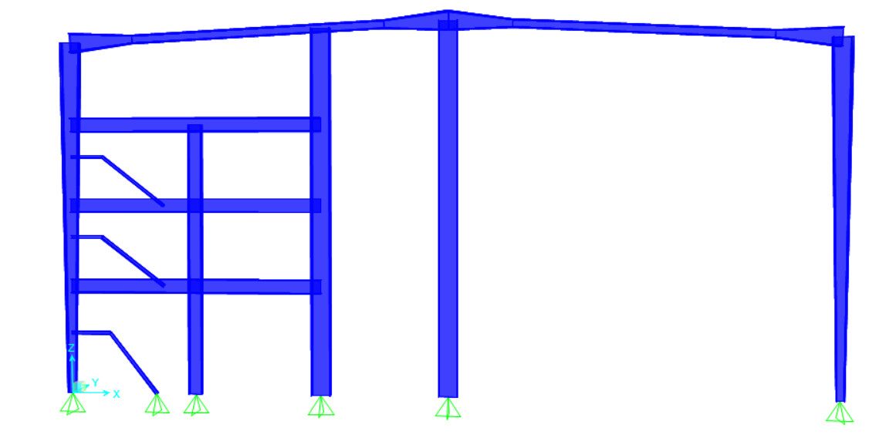

M-B-MEZ-2

RAFTER17
Design of Built-up Welded (Compact/Non-Compact) Steel I sections

Section Dimensions |  | Flanges |  |  | Web |  |  |  | RAFTER17 |  | Hint:
 |  | tf= | 2 | cm | tw= | 0.8 | cm |  |  |  | 1st trial Sx=Mu/(.75*Fy)= |  | 2897.67
 |  | b= | 30 | cm | hw= | 60 | cm |  | Length (cm) | 400 | Section Properties
 |  |  |  |  |  |  |  |  | NO fly bracing |  | Ix | 129760 | cm4
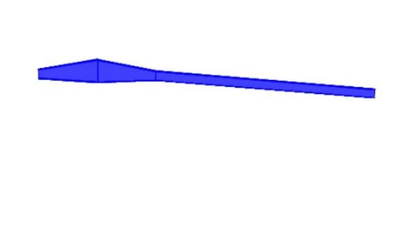
Material: |  |  |  | Geometry: |  |  |  |  |  |  | Iy | 9002.56 | cm4
H15
RAFTER-15
Steel Grade | St.37 |  |  | Lb= | 400 | cm |  |  |  |  | rx= | 27.79 | cm
 |  |  |  | Cb= | 1.300 |  |  |  |  |  | ry= | 7.32 | cm
Straining Actions: |  |  |  | Lbx= | 1201.5 | cm |  |  |  |  | A= | 168.00 | cm2
Mux= | 52.16 | t.m |  | Lby= | 400 | cm |  |  |  |  | Aw= | 51.20 | cm2
 |  |  |  | L= | 400 | cm |  |  |  |  | Sx= | 4055.00 | cm3
Qu= | 18.59 | t |  | Lh= | 400 | cm |  |  |  |  | Sy= | 600.17 | cm3
Nu= | 0.00 | t |  |  |  |  |  |  |  |  | Zx= | 4368.00 | cm3
Tu= | 17.9915 | t |  |  |  |  |  |  |  |  | Zy= | 909.60 | cm3
 |  |  |  |  |  |  |  |  |  |  | rt= | 8.14 | cm
Flexure
(1) Local Buckling |  | Compact Flange |  | Compact Web |  | Compact Section |  |  |  |  | Mateial Properties
 |  |  |  |  |  |  |  |  |  |  | Fy= | 2.4 | t/cm2
(2) LTB |  |  |  |  |  |  |  |  |  |  | Fu= | 3.7 | t/cm2
 |  |  |  |  |  |  |  |  |  |  | E= | 2100 | t/cm2
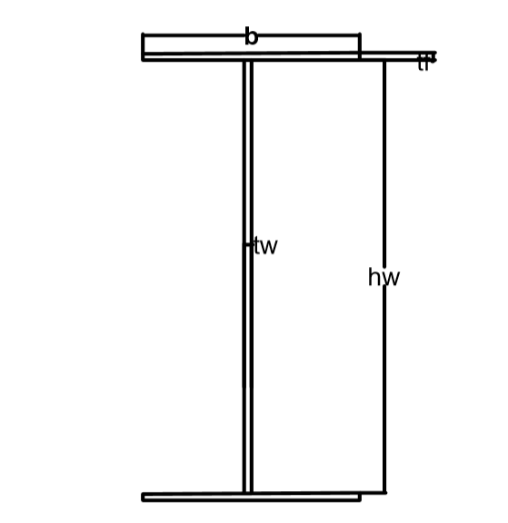
Lp= | 378.018 | cm
Lr= | 1196.965 | cm |  | Case B

Mn= | 104.83 | t.m | ≤ | Mp= | 104.832 | t.m
Фb*Mn= | 89.11 | t.m | D/C= | 0.585 | Safe for flexure about major axis

Axial Compression
λx= | 43.232 | ≤ | 180 |  | OK
λy= | 54.643 | ≤ | 180 | OK
λc= | 0.5880
Fcr= | 2.0814 | t/cm2
Pn= | 349.67 | t
Фc*Pn= | 279.74 | t | D/C= | 0.000 | Safe for axial compression

Axial Tension
(1) Stiffnes condition
λ= | 54.643 |  | ≤ | 300 |  | OK
Lh/60= | 6.667 |  | ≤ | h |  | OK

(2) Strenght condition
Pn= | 403.20 | t
Фt*Pn= | 342.72 | t | D/C= | 0.052 | Safe for yielding at tension

Combined (Normal Force + Flexure) |  |  |  |  |  | Shear Force
M+C | D/C= | 0.585 | Safe for combined M+C |  |  | Vn= | 71.07 | t
M+T | D/C= | 0.612 | Safe for combined M+T |  |  | Фv*Vn= | 60.41 | t
 |  |  |  |  |  | D/C= | 0.308
 |  |  |  |  |  | Safe for Shear

Safe

 | fy | fu
St.37 | 2.4 | 3.7
St.44 | 2.8 | 4.4
St.52 | 3.6 | 5.2

H4 (SEC 1)
Design of Built-up Welded (Compact/Non-Compact) Steel I sections

Section Dimensions |  | Flanges |  |  | Web |  |  |  | H 4 ( SEC1) |  | Hint:
 |  | tf= | 2 | cm | tw= | 0.8 | cm |  |  |  | 1st trial Sx=Mu/(.75*Fy)= |  | 422.67
 |  | b= | 40 | cm | hw= | 80 | cm |  | Length (cm) | 400 | Section Properties
 |  |  |  |  |  |  |  |  | NO fly bracing |  | Ix | 303146.66667 | cm4
Material: |  |  |  | Geometry: |  |  |  |  |  |  | Iy | 21336.746667 | cm4
H4
Steel Grade | St.37 |  |  | Lb= | 400 | cm |  |  |  |  | rx= | 36.79 | cm
RAFTER-4
 |  |  |  | Cb= | 1.300 |  |  |  |  |  | ry= | 9.76 | cm
Straining Actions: |  |  |  | Lbx= | 1201.5 | cm |  |  |  |  | A= | 224.00 | cm2
Mux= | 7.61 | t.m |  | Lby= | 400 | cm |  |  |  |  | Aw= | 67.20 | cm2
 |  |  |  | L= | 400 | cm |  |  |  |  | Sx= | 7217.78 | cm3
Qu= | -0.88 | t |  | Lh= | 400 | cm |  |  |  |  | Sy= | 1066.84 | cm3
Nu= | 0.00 | t |  |  |  |  |  |  |  |  | Zx= | 7744.00 | cm3
Tu= | 16.152 | t |  |  |  |  |  |  |  |  | Zy= | 1612.80 | cm3
 |  |  |  |  |  |  |  |  |  |  | rt= | 10.85 | cm
Flexure
(1) Local Buckling |  | Compact Flange |  | Non-Compact Web |  | Non-Compact Section |  |  |  |  | Mateial Properties
 |  |  |  |  |  |  |  |  |  |  | Fy= | 2.4 | t/cm2
(2) LTB |  |  |  |  |  |  |  |  |  |  | Fu= | 3.7 | t/cm2
 |  |  |  |  |  |  |  |  |  |  | E= | 2100 | t/cm2
Lp'= | 503.993 | cm
Lr= | 1466.362 | cm |  | Case A

Mn= | 161.78 | t.m | ≤ | Mp= | 185.856 | t.m
Фb*Mn= | 137.51 | t.m | D/C= | 0.055 | Safe for flexure about major axis

Axial Compression
λx= | 32.660 | ≤ | 180 |  | OK
λy= | 40.985 | ≤ | 180 | OK
λc= | 0.4410
Fcr= | 2.2207 | t/cm2
Pn= | 497.45 | t
Фc*Pn= | 397.96 | t | D/C= | 0.000 | Safe for axial compression

Axial Tension
(1) Stiffnes condition
λ= | 40.985 |  | ≤ | 300 |  | OK
Lh/60= | 6.667 |  | ≤ | h |  | OK

(2) Strenght condition
Pn= | 537.60 | t
Фt*Pn= | 456.96 | t | D/C= | 0.035 | Safe for yielding at tension

Combined (Normal Force + Flexure) |  |  |  |  |  | Shear Force
M+C | D/C= | 0.055 | Safe for combined M+C |  |  | Vn= | 63.84 | t
M+T | D/C= | 0.073 | Safe for combined M+T |  |  | Фv*Vn= | 54.26 | t
 |  |  |  |  |  | D/C= | -0.016
 |  |  |  |  |  | Safe for Shear

Safe

 | fy | fu
St.37 | 2.4 | 3.7
St.44 | 2.8 | 4.4
St.52 | 3.6 | 5.2

H15 (SEC 1)
Design of Built-up Welded (Compact/Non-Compact) Steel I sections

Section Dimensions |  | Flanges |  |  | Web |  |  |  | H 15 ( SEC 1) |  | Hint:
 |  | tf= | 2 | cm | tw= | 0.8 | cm |  |  |  | 1st trial Sx=Mu/(.75*Fy)= |  | 3969.84
 |  | b= | 40 | cm | hw= | 80 | cm |  | Length (cm) | 400 | Section Properties
 |  |  |  |  |  |  |  |  | NO fly bracing |  | Ix | 303146.66667 | cm4
Material: |  |  |  | Geometry: |  |  |  |  |  |  | Iy | 21336.746667 | cm4
H15
RAFTER-15
Steel Grade | St.37 |  |  | Lb= | 400 | cm |  |  |  |  | rx= | 36.79 | cm
 |  |  |  | Cb= | 1.300 |  |  |  |  |  | ry= | 9.76 | cm
Straining Actions: |  |  |  | Lbx= | 1201.5 | cm |  |  |  |  | A= | 224.00 | cm2
Mux= | 71.46 | t.m |  | Lby= | 400 | cm |  |  |  |  | Aw= | 67.20 | cm2
 |  |  |  | L= | 400 | cm |  |  |  |  | Sx= | 7217.78 | cm3
Qu= | 14.16 | t |  | Lh= | 400 | cm |  |  |  |  | Sy= | 1066.84 | cm3
Nu= | -3.33 | t |  |  |  |  |  |  |  |  | Zx= | 7744.00 | cm3
Tu= | 0 | t |  |  |  |  |  |  |  |  | Zy= | 1612.80 | cm3
 |  |  |  |  |  |  |  |  |  |  | rt= | 10.85 | cm
Flexure
(1) Local Buckling |  | Compact Flange |  | Non-Compact Web |  | Non-Compact Section |  |  |  |  | Mateial Properties
 |  |  |  |  |  |  |  |  |  |  | Fy= | 2.4 | t/cm2
(2) LTB |  |  |  |  |  |  |  |  |  |  | Fu= | 3.7 | t/cm2
 |  |  |  |  |  |  |  |  |  |  | E= | 2100 | t/cm2
Lp'= | 503.993 | cm
Lr= | 1466.362 | cm |  | Case A

Mn= | 161.78 | t.m | ≤ | Mp= | 185.856 | t.m
Фb*Mn= | 137.51 | t.m | D/C= | 0.520 | Safe for flexure about major axis

Axial Compression
λx= | 32.660 | ≤ | 180 |  | OK
λy= | 40.985 | ≤ | 180 | OK
λc= | 0.4410
Fcr= | 2.2207 | t/cm2
Pn= | 497.45 | t
Фc*Pn= | 397.96 | t | D/C= | -0.008 | Safe for axial compression

Axial Tension
(1) Stiffnes condition
λ= | 40.985 |  | ≤ | 300 |  | OK
Lh/60= | 6.667 |  | ≤ | h |  | OK

(2) Strenght condition
Pn= | 537.60 | t
Фt*Pn= | 456.96 | t | D/C= | 0.000 | Safe for yielding at tension

Combined (Normal Force + Flexure) |  |  |  |  |  | Shear Force
M+C | D/C= | 0.515 | Safe for combined M+C |  |  | Vn= | 63.84 | t
M+T | D/C= | 0.520 | Safe for combined M+T |  |  | Фv*Vn= | 54.26 | t
 |  |  |  |  |  | D/C= | 0.261
 |  |  |  |  |  | Safe for Shear

Safe

 | fy | fu
St.37 | 2.4 | 3.7
St.44 | 2.8 | 4.4
St.52 | 3.6 | 5.2

HUNCH-R9
Design of Built-up Welded (Compact/Non-Compact) Steel I sections

Section Dimensions |  | Flanges |  |  | Web |  |  |  | HUNCH-L9 |  | Hint:
 |  | tf= | 2 | cm | tw= | 0.8 | cm |  |  |  | 1st trial Sx=Mu/(.75*Fy)= |  | 6996.04
 |  | b= | 40 | cm | hw= | 80 | cm |  | Length (cm) | 400 | Section Properties
 |  |  |  |  |  |  |  |  | NO fly bracing |  | Ix | 303146.66667 | cm4
Material: |  |  |  | Geometry: |  |  |  |  |  |  | Iy | 21336.746667 | cm4
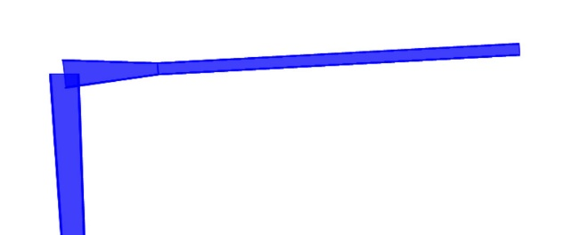
HUNCH-L9
Steel Grade | St.37 |  |  | Lb= | 400 | cm |  |  |  |  | rx= | 36.79 | cm
 |  |  |  | Cb= | 1.300 |  |  |  |  |  | ry= | 9.76 | cm
Straining Actions: |  |  |  | Lbx= | 1201.5 | cm |  |  |  |  | A= | 224.00 | cm2
Mux= | 125.93 | t.m |  | Lby= | 800 | cm |  |  |  |  | Aw= | 67.20 | cm2
 |  |  |  | L= | 400 | cm |  |  |  |  | Sx= | 7217.78 | cm3
Qu= | 18.15 | t |  | Lh= | 400 | cm |  |  |  |  | Sy= | 1066.84 | cm3
Nu= | 0.00 | t |  |  |  |  |  |  |  |  | Zx= | 7744.00 | cm3
Tu= | 17.8333 | t |  |  |  |  |  |  |  |  | Zy= | 1612.80 | cm3
 |  |  |  |  |  |  |  |  |  |  | rt= | 10.85 | cm
Flexure
(1) Local Buckling |  | Compact Flange |  | Non-Compact Web |  | Non-Compact Section |  |  |  |  | Mateial Properties
 |  |  |  |  |  |  |  |  |  |  | Fy= | 2.4 | t/cm2
(2) LTB |  |  |  |  |  |  |  |  |  |  | Fu= | 3.7 | t/cm2
 |  |  |  |  |  |  |  |  |  |  | E= | 2100 | t/cm2
Lp'= | 503.993 | cm
Lr= | 1466.362 | cm |  | Case A

Mn= | 161.78 | t.m | ≤ | Mp= | 185.856 | t.m
Фb*Mn= | 137.51 | t.m | D/C= | 0.916 | Safe for flexure about major axis

Axial Compression
λx= | 32.660 | ≤ | 180 |  | OK
λy= | 81.969 | ≤ | 180 | OK
λc= | 0.8821
Fcr= | 1.6830 | t/cm2
Pn= | 376.99 | t
Фc*Pn= | 301.59 | t | D/C= | 0.000 | Safe for axial compression

Axial Tension
(1) Stiffnes condition
λ= | 40.985 |  | ≤ | 300 |  | OK
Lh/60= | 6.667 |  | ≤ | h |  | OK

(2) Strenght condition
Pn= | 537.60 | t
Фt*Pn= | 456.96 | t | D/C= | 0.039 | Safe for yielding at tension

Combined (Normal Force + Flexure) |  |  |  |  |  | Shear Force
M+C | D/C= | 0.916 | Safe for combined M+C |  |  | Vn= | 63.84 | t
M+T | D/C= | 0.935 | Safe for combined M+T |  |  | Фv*Vn= | 54.26 | t
 |  |  |  |  |  | D/C= | 0.334
 |  |  |  |  |  | Safe for Shear

Safe

 | fy | fu
St.37 | 2.4 | 3.7
St.44 | 2.8 | 4.4
St.52 | 3.6 | 5.2

HUNCH-L9
Design of Built-up Welded (Compact/Non-Compact) Steel I sections

Section Dimensions |  | Flanges |  |  | Web |  |  |  | HUNCH-L9 |  | Hint:
 |  | tf= | 2 | cm | tw= | 0.8 | cm |  |  |  | 1st trial Sx=Mu/(.75*Fy)= |  | 5932.78
 |  | b= | 40 | cm | hw= | 80 | cm |  | Length (cm) | 400 | Section Properties
 |  |  |  |  |  |  |  |  | NO fly bracing |  | Ix | 303146.66667 | cm4
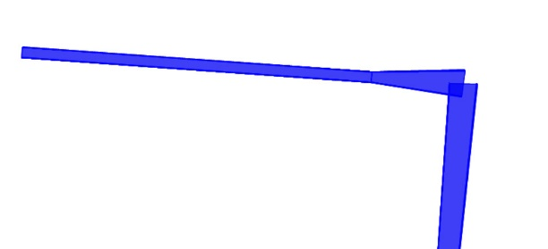
HUNCH-R9
Material: |  |  |  | Geometry: |  |  |  |  |  |  | Iy | 21336.746667 | cm4
Steel Grade | St.37 |  |  | Lb= | 400 | cm |  |  |  |  | rx= | 36.79 | cm
 |  |  |  | Cb= | 1.300 |  |  |  |  |  | ry= | 9.76 | cm
Straining Actions: |  |  |  | Lbx= | 1201.5 | cm |  |  |  |  | A= | 224.00 | cm2
Mux= | 106.79 | t.m |  | Lby= | 800 | cm |  |  |  |  | Aw= | 67.20 | cm2
 |  |  |  | L= | 400 | cm |  |  |  |  | Sx= | 7217.78 | cm3
Qu= | 15.82 | t |  | Lh= | 400 | cm |  |  |  |  | Sy= | 1066.84 | cm3
Nu= | 0.00 | t |  |  |  |  |  |  |  |  | Zx= | 7744.00 | cm3
Tu= | 7.1234 | t |  |  |  |  |  |  |  |  | Zy= | 1612.80 | cm3
 |  |  |  |  |  |  |  |  |  |  | rt= | 10.85 | cm
Flexure
(1) Local Buckling |  | Compact Flange |  | Non-Compact Web |  | Non-Compact Section |  |  |  |  | Mateial Properties
 |  |  |  |  |  |  |  |  |  |  | Fy= | 2.4 | t/cm2
(2) LTB |  |  |  |  |  |  |  |  |  |  | Fu= | 3.7 | t/cm2
 |  |  |  |  |  |  |  |  |  |  | E= | 2100 | t/cm2
Lp'= | 503.993 | cm
Lr= | 1466.362 | cm |  | Case A

Mn= | 161.78 | t.m | ≤ | Mp= | 185.856 | t.m
Фb*Mn= | 137.51 | t.m | D/C= | 0.777 | Safe for flexure about major axis

Axial Compression
λx= | 32.660 | ≤ | 180 |  | OK
λy= | 81.969 | ≤ | 180 | OK
λc= | 0.8821
Fcr= | 1.6830 | t/cm2
Pn= | 376.99 | t
Фc*Pn= | 301.59 | t | D/C= | 0.000 | Safe for axial compression

Axial Tension
(1) Stiffnes condition
λ= | 40.985 |  | ≤ | 300 |  | OK
Lh/60= | 6.667 |  | ≤ | h |  | OK

(2) Strenght condition
Pn= | 537.60 | t
Фt*Pn= | 456.96 | t | D/C= | 0.016 | Safe for yielding at tension

Combined (Normal Force + Flexure) |  |  |  |  |  | Shear Force
M+C | D/C= | 0.777 | Safe for combined M+C |  |  | Vn= | 63.84 | t
M+T | D/C= | 0.784 | Safe for combined M+T |  |  | Фv*Vn= | 54.26 | t
 |  |  |  |  |  | D/C= | 0.292
 |  |  |  |  |  | Safe for Shear

Safe

 | fy | fu
St.37 | 2.4 | 3.7
St.44 | 2.8 | 4.4
St.52 | 3.6 | 5.2

M-B-MEZ-2
Design of Built-up Welded (Compact/Non-Compact) Steel I sections

Section Dimensions |  | Flanges |  |  | Web |  |  |  | M-B-MEZ-2 |  | Hint:
 |  | tf= | 2 | cm | tw= | 0.8 | cm |  |  |  | 1st trial Sx=Mu/(.75*Fy)= |  | 5359.48
 |  | b= | 30 | cm | hw= | 80 | cm |  | Length (cm) | 800 | Section Properties
 |  |  |  |  |  |  |  |  |  |  | Ix | 235893.33333 | cm4
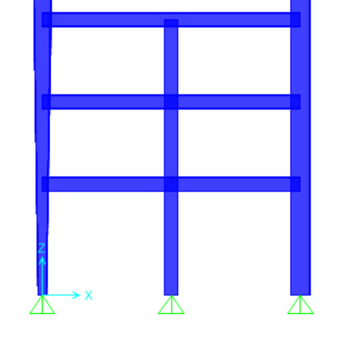
Material: |  |  |  | Geometry: |  |  |  |  |  |  | Iy | 9003.4133333 | cm4
Steel Grade | St.37 |  |  | Lb= | 0 | cm |  |  |  |  | rx= | 35.81 | cm
M-B-MEZ-2
 |  |  |  | Cb= | 1.130 |  |  |  |  |  | ry= | 7.00 | cm
Straining Actions: |  |  |  | Lbx= | 800 | cm |  |  |  |  | A= | 184.00 | cm2
Mux= | 96.47 | t.m |  | Lby= | 800 | cm |  |  |  |  | Aw= | 67.20 | cm2
 |  |  |  | L= | 800 | cm |  |  |  |  | Sx= | 5616.51 | cm3
Qu= | 25.1112 | t |  | Lh= | 800 | cm |  |  |  |  | Sy= | 600.23 | cm3
Nu= | 0.00 | t |  |  |  |  |  |  |  |  | Zx= | 6128.00 | cm3
Tu= | 17.8775 | t |  |  |  |  |  |  |  |  | Zy= | 912.80 | cm3
 |  |  |  |  |  |  |  |  |  |  | rt= | 7.98 | cm
Flexure
(1) Local Buckling |  | Compact Flange |  | Non-Compact Web |  | Non-Compact Section |  |  |  |  | Mateial Properties
 |  |  |  |  |  |  |  |  |  |  | Fy= | 2.4 | t/cm2
(2) LTB |  |  |  |  |  |  |  |  |  |  | Fu= | 3.7 | t/cm2
 |  |  |  |  |  |  |  |  |  |  | E= | 2100 | t/cm2
Lp'= | 361.226 | cm
Lr= | 1083.939 | cm |  | Case A

Mn= | 127.62 | t.m | ≤ | Mp= | 147.072 | t.m
Фb*Mn= | 108.48 | t.m | D/C= | 0.889 | Safe for flexure about major axis

Axial Compression
λx= | 22.343 | ≤ | 180 |  | OK
λy= | 114.366 | ≤ | 180 | OK
λc= | 1.2307
Fcr= | 1.0268 | t/cm2
Pn= | 188.94 | t
Фc*Pn= | 151.15 | t | D/C= | 0.000 | Safe for axial compression

Axial Tension
(1) Stiffnes condition
λ= | 114.366 |  | ≤ | 300 |  | OK
Lh/60= | 13.333 |  | ≤ | h |  | OK

(2) Strenght condition
Pn= | 441.60 | t
Фt*Pn= | 375.36 | t | D/C= | 0.048 | Safe for yielding at tension

Combined (Normal Force + Flexure) |  |  |  |  |  | Shear Force
M+C | D/C= | 0.889 | Safe for combined M+C |  |  | Vn= | 63.84 | t
M+T | D/C= | 0.913 | Safe for combined M+T |  |  | Фv*Vn= | 54.26 | t
 |  |  |  |  |  | D/C= | 0.463
 |  |  |  |  |  | Safe for Shear

Safe

 | fy | fu
St.37 | 2.4 | 3.7
St.44 | 2.8 | 4.4
St.52 | 3.6 | 5.2

HALF FLOOR BEAM
Design of Built-up Welded (Compact/Non-Compact) Steel I sections

Section Dimensions |  | Flanges |  |  | Web |  |  |  | HALF FLOOR BEAM |  | Hint:
 |  | tf= | 1.27 | cm | tw= | 0.8 | cm |  |  |  | 1st trial Sx=Mu/(.75*Fy)= |  | 401.11
 |  | b= | 17 | cm | hw= | 36 | cm |  | Length (cm) | 600 | Section Properties
 |  |  |  |  |  |  |  |  |  |  | Ix | 18111.029807 | cm4
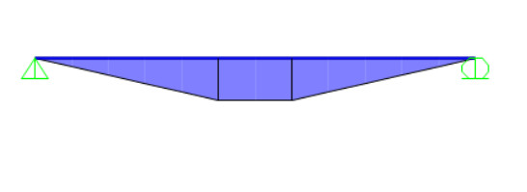
Material: |  |  |  | Geometry: |  |  |  |  |  |  | Iy | 1041.4543333 | cm4
Steel Grade | St.37 |  |  | Lb= | 0 | cm |  |  |  |  | rx= | 15.86 | cm
 |  |  |  | Cb= | 1.130 |  |  |  |  |  | ry= | 3.80 | cm
Straining Actions: |  |  |  | Lbx= | 600 | cm |  |  |  |  | A= | 71.98 | cm2
Mux= | 7.22 | t.m |  | Lby= | 600 | cm |  |  |  |  | Aw= | 30.83 | cm2
 |  |  |  | L= | 600 | cm |  |  |  |  | Sx= | 939.86 | cm3
Qu= | 2.932 | t |  | Lh= | 600 | cm |  |  |  |  | Sy= | 122.52 | cm3
Nu= | 0.00 | t |  |  |  |  |  |  |  |  | Zx= | 1053.71 | cm3
Tu= | 0 | t |  |  |  |  |  |  |  |  | Zy= | 189.28 | cm3
 |  |  |  |  |  |  |  |  |  |  | rt= | 4.44 | cm
Flexure
(1) Local Buckling |  | Compact Flange |  | Compact Web |  | Compact Section |  |  |  |  | Mateial Properties
 |  |  |  |  |  |  |  |  |  |  | Fy= | 2.4 | t/cm2
(2) LTB |  |  |  |  |  |  |  |  |  |  | Fu= | 3.7 | t/cm2
 |  |  |  |  |  |  |  |  |  |  | E= | 2100 | t/cm2
Lp= | 196.426 | cm
Lr= | 678.800 | cm |  | Case A

Mn= | 25.29 | t.m | ≤ | Mp= | 25.289088 | t.m
Фb*Mn= | 21.50 | t.m | D/C= | 0.336 | Safe for flexure about major axis

Axial Compression
λx= | 37.826 | ≤ | 180 |  | OK
λy= | 157.738 | ≤ | 180 | OK
λc= | 1.6974
Fcr= | 0.5398 | t/cm2
Pn= | 38.85 | t
Фc*Pn= | 31.08 | t | D/C= | 0.000 | Safe for axial compression

Axial Tension
(1) Stiffnes condition
λ= | 157.738 |  | ≤ | 300 |  | OK
Lh/60= | 10.000 |  | ≤ | h |  | OK

(2) Strenght condition
Pn= | 172.75 | t
Фt*Pn= | 146.8392 | t | D/C= | 0.000 | Safe for yielding at tension

Combined (Normal Force + Flexure) |  |  |  |  |  | Shear Force
M+C | D/C= | 0.336 | Safe for combined M+C |  |  | Vn= | 44.40 | t
M+T | D/C= | 0.336 | Safe for combined M+T |  |  | Фv*Vn= | 37.74 | t
 |  |  |  |  |  | D/C= | 0.078
 |  |  |  |  |  | Safe for Shear

Safe

 | fy | fu
St.37 | 2.4 | 3.7
St.44 | 2.8 | 4.4
St.52 | 3.6 | 5.2

